Land & Utilities Cost
Land and Utilities Cost Calculation

Land Cost |  | Vega Requirements | Rayong 2 | Nakhon Ratchasima 2
 | Land cost (USD per m2) |  | $146.00 | $30.91
 | Proposed plot size (m2) | 40,468 | 69,800 | 81,600
 | Land Cost Total |  | $10,190,800 | $2,522,256
Operating Costs | Management Fees (USD/m2/month) | $40,468 | $0.02 | $0.00
 | Total Management Fees (per year) |  | $10,635 | $0
 | Natural Gas Cost PTT (USD/m3) | 1,728,000 | $0.54 | $0.54
 | Total Natural Gas Cost PTT (USD/year) |  | $933,120 | $933,120
 | Electricity Cost (USD/kWh)
 | Electricity Consumption Cost (USD/year) |  | $6,832,415 | $6,617,146
 | Water Cost (USD/m3) | 14,600 | $0.30 | $0.28
 | Total Water Cost (USD/year) |  | $4,380 | $4,088
 | Wastewater Cost (USD/m3) | 780 | $0.460 | $0.000
 | Total Wastewater Cost (USD/year) |  | $5,373 | $0
 | Raw Material Cost |  | $46,202,400 | $46,202,400

 |  | Rayong 2 | Nakhon Ratchasima 2
Investment Cost | Land Cost | $10,190,800 | $2,522,256
Operating Cost | Raw Material Cost | $46,202,400 | $46,202,400
 | Labor Cost | $2,390,740 | $1,993,678
 | Electricty Cost | $6,832,415 | $6,617,146
 | Natural Gas Cost | $933,120 | $933,120
 | Industrial Zone Management Fees | $10,635 | $0
 | Wastewater Cost | $5,373 | $0
 | Water Cost | $4,380 | $4,088
Total Cost |  | $56,379,063 | $55,750,432

 |  | Rayong 2 | Nakhon Ratchasima 2
Investment Cost | Land Cost | $10,190,800 | $2,522,256
Operating Cost | Raw Material Cost | $46,202,400 | $46,202,400
 | Industrial Zone Management Fees | $10,635 | $0
 | Labor Cost
 | Utility Costs | $7,775,288 | $7,554,354
Total Cost |  | $53,065,838 | $52,823,634

 | Charts
 |  | Nakhon Ratchasima 2 | Rayong 2
 | Investment Cost | $2,522,256 | $10,190,800
 |  | Nakhon Ratchasima 2 | Rayong 2
 | Utility Cost | $7,554,354 | $7,775,288
 | Industrial Zone Management Fees | $0 | $10,635
 | Raw Material Costs | $46,202,400 | $46,202,400
 | Labor Cost

 |  | Nakhon Ratchasima 2 | Rayong 2
 | Operating Cost | $53,756,754 | $53,988,323

Transportation
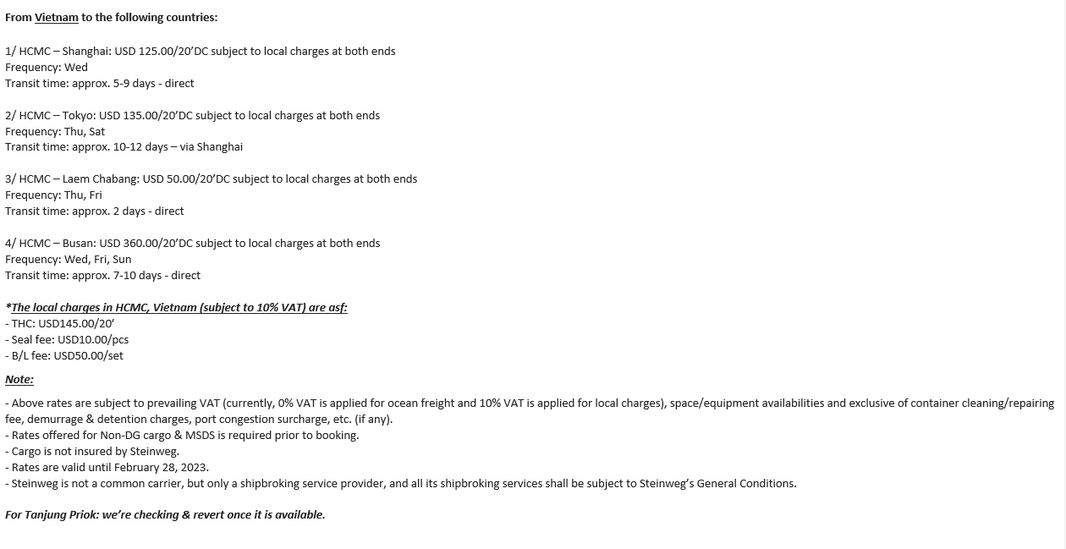
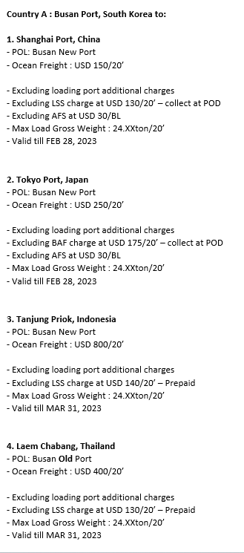
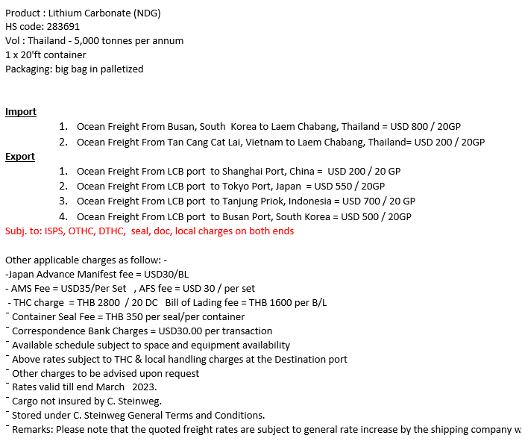
Transportation Costs Calculation

Shipping Costs |  | 28 tons per container |  |  | Unit: USD
 |  |  |  |  |  |  |  |  |  | Trucking Costs
For 20ft Container | Korea (Port of Busan) | Japan (Port of Nagoya) | China (Port of Shanghai) | Indonesia (Port of Jakarta) | Thailand (Bangkok Port)
TFD2 (Laemchabang Port) | $500 | $550 | $200 | $700 | 0 |  |  |  |  | Trucking Costs | USD Per 20 Foot Container (28 MT)
Luckchai (Laemchabang Port) | $500 | $550 | $200 | $700 | 0 |  |  |  |  | TFD 2 to Laemchabang Port | $227
Saemangeum (Busan Port) | 0 | $505 | $330 | $990 | $580 |  |  |  |  | Luckchai to Laemchabang Port | $257
Phu My 3 (HCMC Port) | $615 | $390 | $380 | $630 | $305 |  |  |  |  | Saemangeum to Gunsan Port | $110 | Need additional Quote before finalizing
 |  |  |  |  |  |  |  |  |  | Phu My 3 to Cai Mep Port | $100 | Handling 2-ways: $30, Trucking: $60-70

Source: Freightos.com, Searates.com, C. Steinweg Logistics |  |  |  |  |  |  |  |  |  | Export Percentages
 |  |  |  |  |  |  |  |  |  | Korea | 40%
 |  |  |  |  |  |  |  |  | Unit: USD | Japan | 20%
 | Inbound Trucking Cost for Spodumene (400,000 MT per year) | Outbound Shipping Cost (Lithium Carbonate) 50,000 MT per year |  |  |  |  |  |  | Grand Total (Inbound + Outbound) | China | 20%
For 20ft Container |  | Korea (Port of Busan) 40% | Japan (Port of Nagoya) 20% | China (Port of Shanghai) 20% | Indonesia (Port of Jakarta) 10% | Thailand (Bangkok Port) 10% | Outbound Trucking Cost from plot to port | Total Outbound Shipping Cost (25ktpa) |  | Thailand | 10%
TFD2 (Laemchabang Port) | $1,394,720 | $357,143 | $196,429 | $71,429 | $125,000 | $0 | $405,357 | $1,155,357 | $2,550,077 | Indonesia | 10%
Luckchai (Laemchabang Port) | $1,876,800 | $357,143 | $196,429 | $71,429 | $125,000 | $0 | $458,929 | $1,208,929 | $3,085,729
Saemangeum (Gunsan Port) | $120,000 | $0 | $180,357 | $117,857 | $176,786 | $103,571 | $196,429 | $775,000 | $895,000 | Countries | Standard Bulk Trucking Rate USD/MT/KM | Distance from Port to Plot (km)
Phu My 3 (HCMC Port) | $306,360 | $439,286 | $139,286 | $135,714 | $112,500 | $54,464 | $178,571 | $1,059,821 | $1,366,181 | Thailand: TFD2 | $0.05 | 75.8
 |  |  |  |  |  |  |  |  |  | Thailand: Luckchai | $0.05 | 102
 |  |  |  |  |  |  |  |  |  | Vietnam | $0.07 | 11.1
Note: all container shipping prices |  |  |  |  |  |  |  |  |  | Korea | $0.05 | 6

